Section 5
PERD profile--Environmental Product Design
5.1 | Product Features
 | Does this product contain any energy efficiency or savings features (both hardware and software)? | No
 | Please comment on your selected answer.
5.2 | Energy Controls
 | Are all energy savings controls or settings fully described in the product user manual? | No
 | Please comment on your selected answer.
5.3 | Product Disposal
 | Are all hazardous parts and components requiring special disposal identified in the product literature? | No hazardous parts or components requiring special disposal for product
 | Please comment on your selected answer.
5.4 | Common Parts
 | Does product have common mechanical packages (such as covers and chassis) or common parts or components that are used for multiple models in the product family in multiple generations of the same product, allowing the reuse of common parts (excluding screws or fasteners). | Yes
 | Please comment on your selected answer. | Some metal or plastic parts are common part design
5.5 | Product Documentation
 | Select any environmental attributes that apply to the product documentation/manuals. | a,b (多选中间加逗号，选择之后删除括号内中文提示)

 | 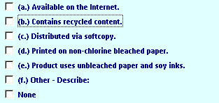
5.6 | Upradeability and Expandability
 | Select any product feature which promotes upgradeability and expandability and then fill in the appropriate information below. | None
 | 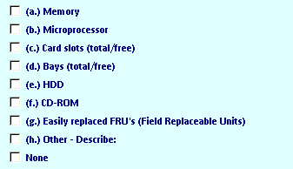
 | Can system be easily upgraded by customer? (i.e., no special tools required.) | No
 | Please comment on your selected answer.
5.7 | Ease of Repair
 | Select all product features which promote ease of repair or longer product life. | c

5.8 | Plastic Parts
 | Is the same plastic type used for all plastic parts 25 grams or greater? | No
 | Please comment on your selected answer.
5.9 | Recycled Content
 | Does this product contain plastic parts that contain recycled content? | Yes
 | Enter Product total PCC recycled plastic percentage (PCC percentage is calculated using EPEAT methodology (i.e., net amount of post - consumer recycled content as percentage of total weight of plastic in product).) | 42.25% | (fill in precentage if choose Yes above)
 | List information for those plastic parts identified as containing recycled content. | PCC information-20231204.xlsx
 | Please comment on your selected answer. | Keyboard-top_case/Keyboard-bottom_case/Keyboard-battery cover
5.10 | Recycling Efforts
 | Cite any and all efforts to increase the usage of recyclable materials used in this product.
 | Cite all effort to design this product for recycling and provide future plans for improving the design for recycling.

5.11 | Printer Features
 | For printer(s), select any environmental design features to reduce consumables. | Not

Section 7
PERD profile-- Standards Compliance and Additional Information for Environment Declarations
7.1 | Environmentally Conscious Design
 | Does the product comply with C-S 1-9700-020, "Environmentally Conscious Design", and all of the applicable Lenovo Standards and Bulletins detailed in the standards? | Yes
 | Please comment on your selected answer.
7.2 | Prohibited Substances
 | The substances listed below are prohibited from use in any Lenovo Product. Please check any of these substances if they are present in this product. If none of these substances are present, please select "None" and then provide the method(s) used to verify absence of these substances. | None
 | 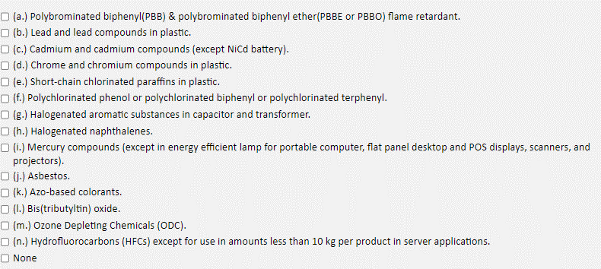
 | Provide the method used to verify absence of these substances. | Supplier Questionnaire
 | Please provide part number(s) and location(s) of where any of the substances may reside in the product.
 | Does the product contain ODM Systems? | Yes
 | Attach supplier certification ( a file containing a document or image) for purchased parts/assemblies (disk drives, power supplies, cables, card assemblies, etc.) that do not have their own PERD.
7.2.1 | Attach 1752 supplier material declarations (ODM Systems). | lenovo-supplier-material-self-declaration.pdf
7.2.2 | Attach supplier certification ( a file containing a document or image) for purchased parts/assemblies (disk drives, power supplies, cables, card assemblies, etc.) that do not have their own PERD.

7.3 | Bill of Materials - Compliance Documents
7.3.1 | Attach the GDX Compliance Summary file
 | 1. Download a copy of the completed GDX entry for at least one representative machine type 2. All part data must be complete 3. Attach the file | Eos3 2.4G KM BLK AR-COMPLIANCESUMMARY.xls
7.3.2 | Attach Bill of Materials Scrub Verification File.
 | 1. Use the link above to access the BOM Scrub Verification File 2. Save a local copy of the template. 3. Fill out the form using the local copy of the file. 4. ECP Focal Point and ECP Focal Point Manager must review and sign the document. 5. Save your changes, scan, upload and attach the completed signed document here. | BOM Scrub Verification File.pdf
7.3.3 | SCIP Data Upload
 | Note: Section added on 07/21/2023
 | Has SCIP submission occurred? | No
 | Please select the reason for your response if choose No | SVHC below threshold
 | Please enter the SCIP submission number in the proper format: (e.g. 93c66050-b5f4-4a27-bd18-5a69477b00e7) | fill if choose yes
7.4 | Plastic Standard
 | Are all plastic parts weighing 25 grams or more marked with full identification in accordance with ISO 11469 ? | Not Applicable - No plastic parts > 25 grams
 | Please comment on your selected answer.
7.5 | Polyvinyl Chloride Cables and Cords
 | Questions on compliance to Polyvinyl Chloride Cables and Cords:
 | Does the product contain polyvinyl cables or cords subject to the requirements of C-S 1-9700-020? | No
 | Does the product contain polyvinyl cables or cords which require warning statements be provided as identified in C-S 1-9700-020 ? | No
 | Describe how the warning statements have been provided?
7.6 | The ECO Declaration
 | Attach the ECO (TED) Declaration file. 1. Use the links above to access the appropriate ECO Declaration Template document. 2. Save a local copy of the template. 3. Fill out the form using the local copy of the file. 4. Save your changes and attach the completed document to the right. | NA (1).docx

